Purpose and Contents
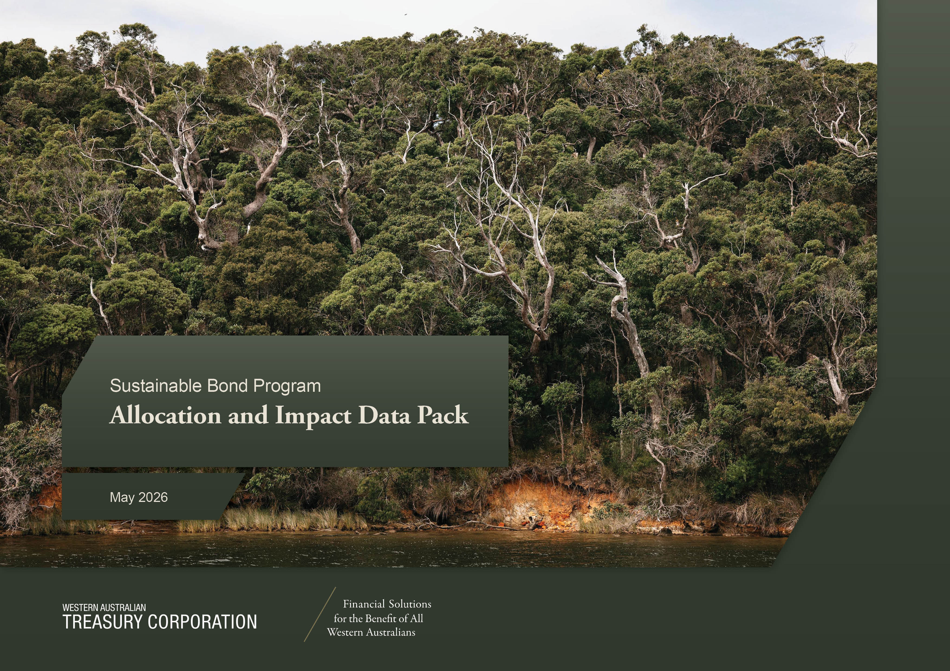

ESG & Investor Relations: esg@watc.wa.gov.au

This spreadsheet contains allocation and impact data prepared to support the Western Australian Treasury Corporation’s (WATC) Sustainable Bond Program reporting obligations. The information is provided to enhance transparency and attribution analysis for investors from the allocation of Sustainable Bond proceeds and the environmental and social impacts generated from the eligible projects financed or refinanced in accordance with WATC’s Sustainability Bond Framework.

Workbook Structure

Reporting Scope

The data presented in this workbook reflects allocations and impacts associated with eligible projects under WATC’s Sustainability Bond Framework. Allocation and impact information is prepared using data provided by relevant delivery agencies and project owners and is reported on either an actual, modeled or projected basis, depending on project status and data availability. Where projects comprise multiple assets or are geographically dispersed, impacts are calculated at the asset or project level and aggregated where appropriate.

Important Information

Disclaimer
Any opinions, judgements, conclusions, forecasts, predictions or estimations contained in this spreadsheet are made in reliance on information provided to the Western Australian Treasury Corporation (WATC), which WATC believes to be reliable. WATC does not, however, guarantee the accuracy or completeness of that information. Accordingly, any recommendations or conclusions are made in good faith but should be carefully considered by users of this spreadsheet when making decisions.

Intellectual property of Western Australian Treasury Corporation
All intellectual property contained within this spreadsheet, including any analysis or models, remains at all times the property of the Western Australian Treasury Corporation. This material must not be reproduced, modified, published, reused, distributed, commercialised or otherwise made available to third parties without the prior written consent of WATC, which may be withheld at WATC’s absolute discretion.

Use and Distribution
This spreadsheet may be made available to investors and other stakeholders for the purpose of understanding the allocation of Sustainability Bond proceeds and associated impacts. Any further distribution or use beyond this purpose requires the prior written consent of WATC.

Historical data
Data has been gathered from direct sources where available. Where direct data has not been available, information has been obtained from third‑party sources in good faith. WATC believes, on reasonable grounds, that the data provided is reliable, complete and not misleading. WATC does not imply, nor should it be construed, that it has carried out any form of audit or independent verification of the information contained in this spreadsheet.

